Python
Quesion 1

Let’s say I have two lists: a = [1, 2, 3] b = [1, 2, 3] print(a == b) print(a is b) Follow-Up Question: x = None y = None print(x == y) print(x is y)

Quesion 2

Write a function that processes a given lowercase string with the following rules: 1. Remove all repeating characters, keeping only the first occurrence of each character. 2. From the resulting string, extract the first 3 unique characters. 3. If there are fewer than 3 characters, pad the result with underscores ('_') to make it 3 characters long. Function Signature: def extract_unique_three(s: str) -> str: pass
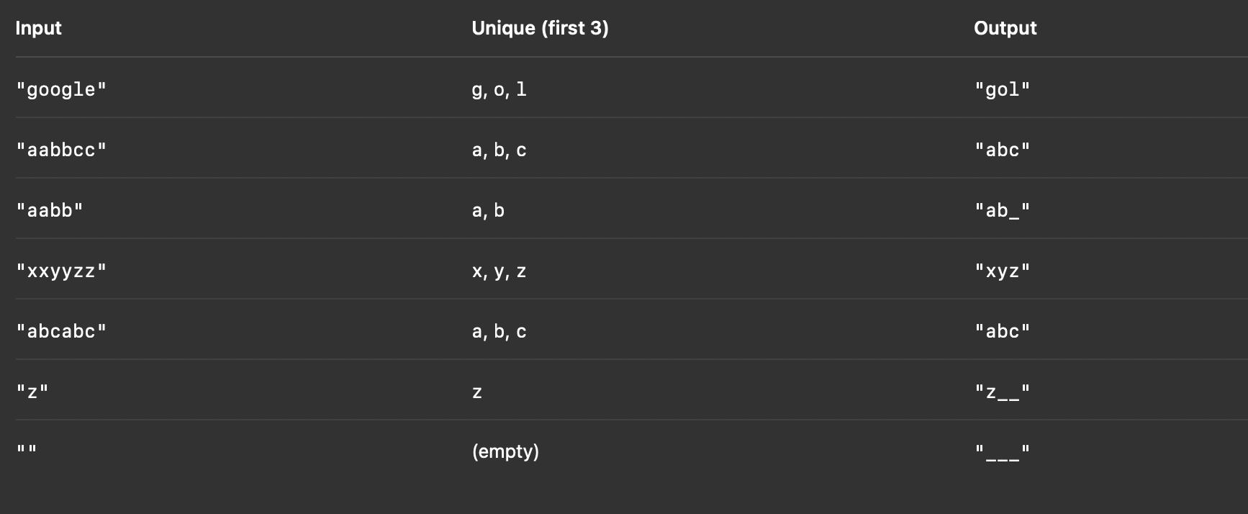

Quesion 3
 | import re from collections import Counter text = "Despite the meteorological warnings, the expedition continued into the storm-laden valley" words = re.findall(r'\b\w+\b', text.lower()) word_counts = Counter(words) word_counts.most_common(1)[0][0]
Write a function that takes a block of text as input and returns the most frequently occurring word in the text.

The cat and the hat | the
Hello hello world! | hello
One fish two fish red fish blue fish | fish
To be, or not to be: that is the question. | to
Data science is fun. Science is also challenging. | science

SQL
1 | Difference Between Char and VARCHAR Eg. There are two columns X CHAR(5) and Y VARCHAR(5) How the following values will be stored in both the columns: 1. "ABCDEF" 2. "ABC" | DATATYPE
2 | What will be the number of rows if we do 1. table_1 Left Join table_2 2. table_2 left join table_1 | JOIN

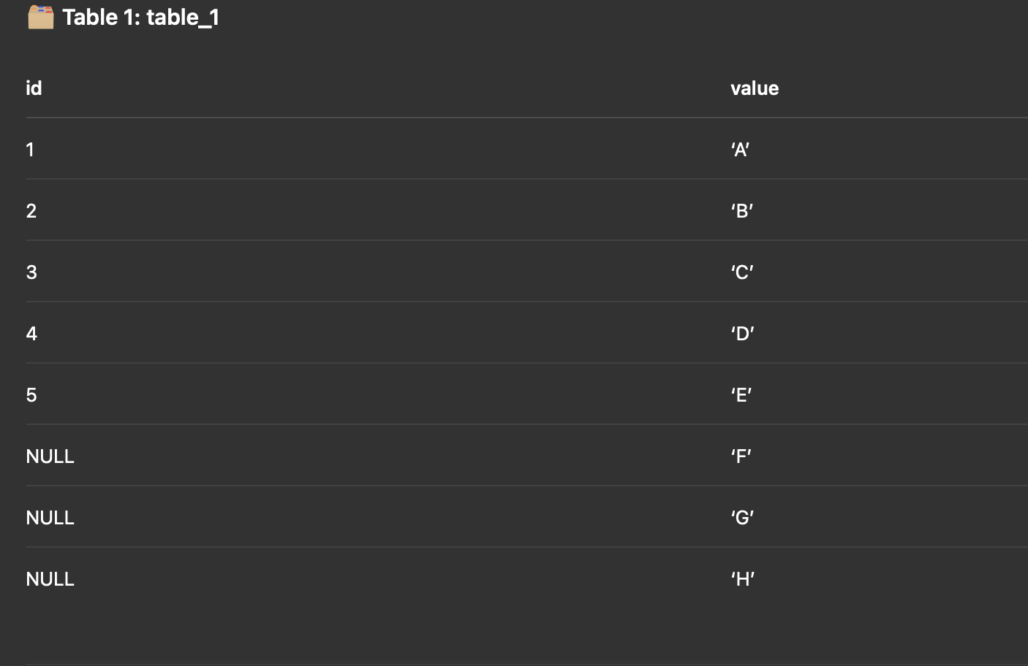
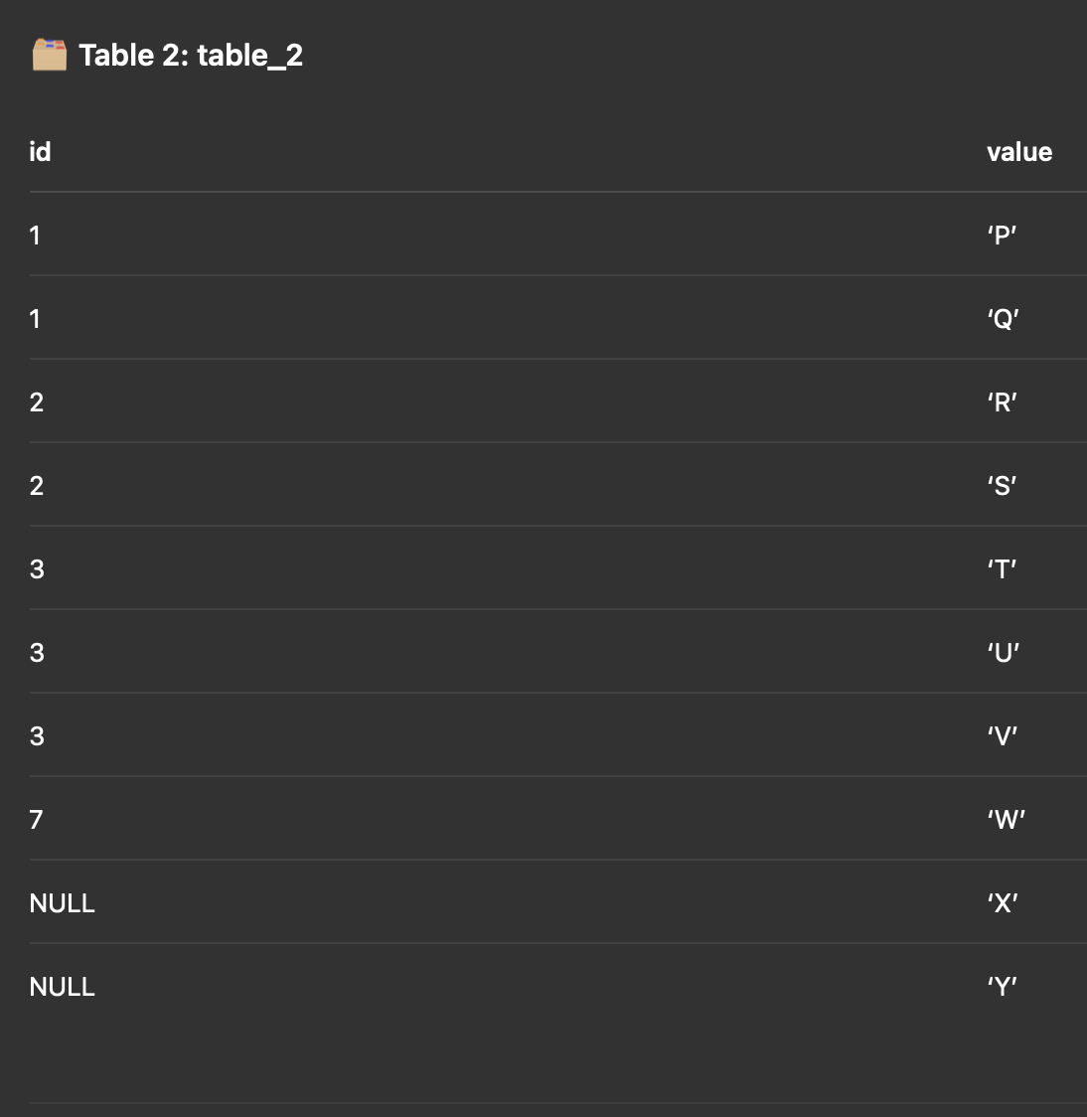

3 | Union vs Union All
4 | Common Table Expression
5 | Temporary Table

SQL Query 1
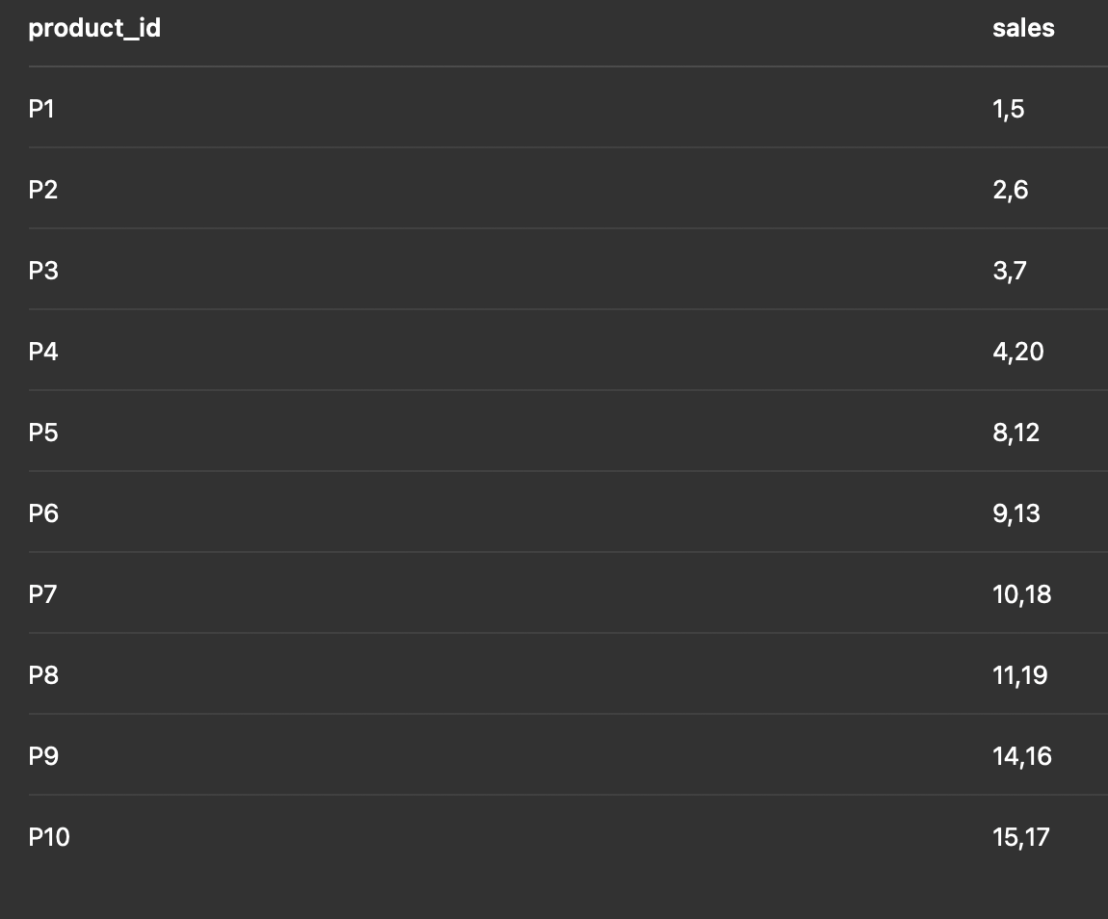
1 | Top 3 product per category by revenue |  |  |  | 4 | group all sale_ids for each product_id into a string.
2 | Calculate the % contribution of each product to its category’s total revenue.
3 | Apply 10% discount on sales with quantity > 10

 | product_id | product_name | category | price
 | P1 | Apple | Fruits | 5
 | P2 | Banana | Fruits | 2
 | P3 | Mango | Fruits | 6
 | P4 | Orange | Fruits | 4
 | P5 | Broccoli | Vegetables | 3
 | P6 | Carrot | Vegetables | 2
 | P7 | Spinach | Vegetables | 4
 | P8 | Potato | Vegetables | 1
 | P9 | Milk | Dairy | 6
 | P10 | Cheese | Dairy | 8

 | SALE
 | sale_id | product_id | quantity
 | 1 | P1 | 10
 | 2 | P2 | 20
 | 3 | P3 | 15
 | 4 | P4 | 10
 | 5 | P1 | 5
 | 6 | P2 | 8
 | 7 | P3 | 10
 | 8 | P5 | 12
 | 9 | P6 | 15
 | 10 | P7 | 9
 | 11 | P8 | 30
 | 12 | P5 | 10
 | 13 | P6 | 7
 | 14 | P9 | 10
 | 15 | P10 | 6
 | 16 | P9 | 8
 | 17 | P10 | 10
 | 18 | P7 | 5
 | 19 | P8 | 20
 | 20 | P4 | 5

SQL Query 2
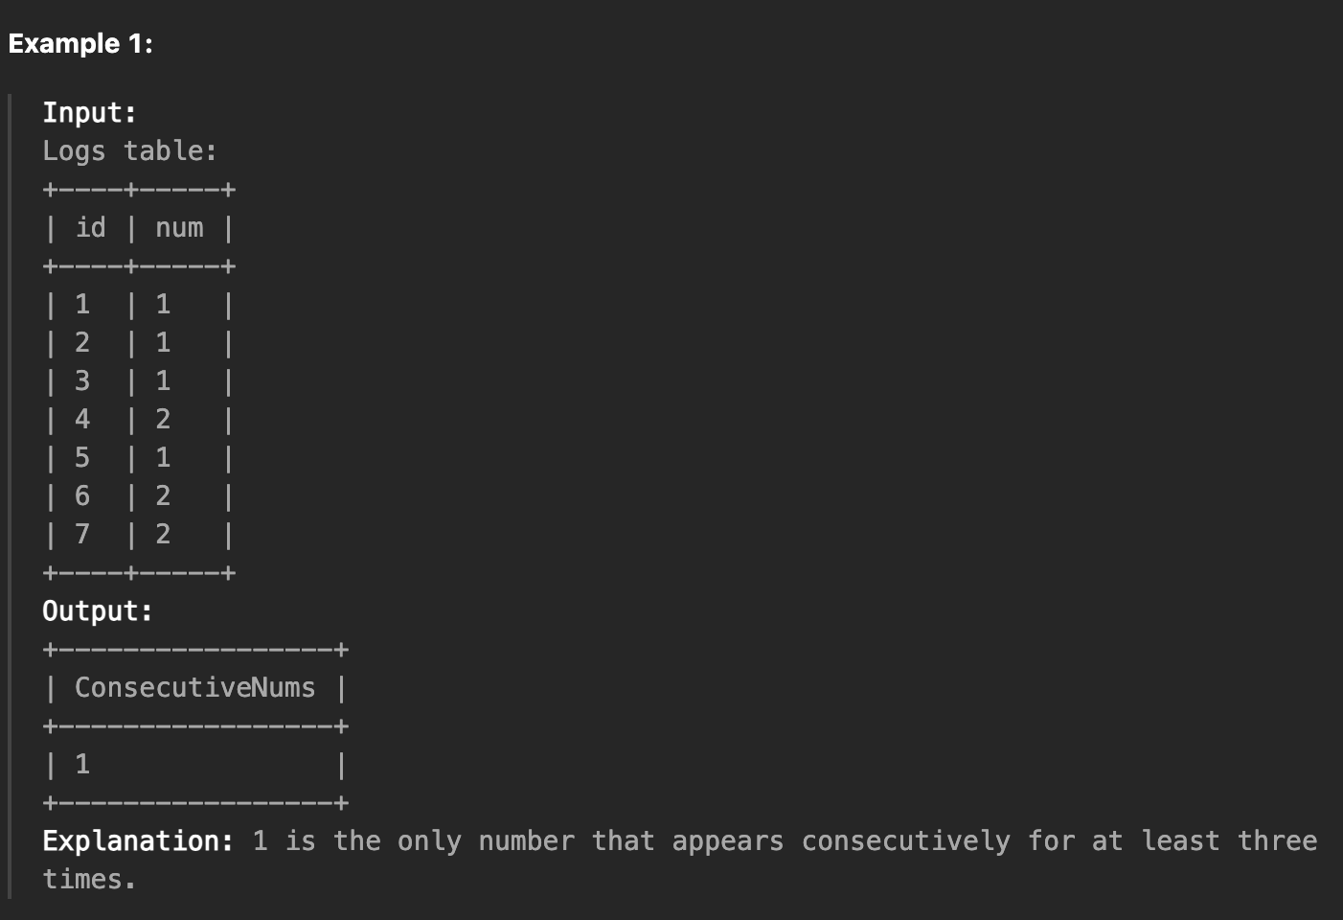
https://leetcode.com/problems/consecutive-numbers/description/?envType=study-plan-v2&envId=top-sql-50

Find all numbers that appear at least three times consecutively.
Return the result table in any order.
The result format is in the following example.

SQL Query 3 (Advanced)
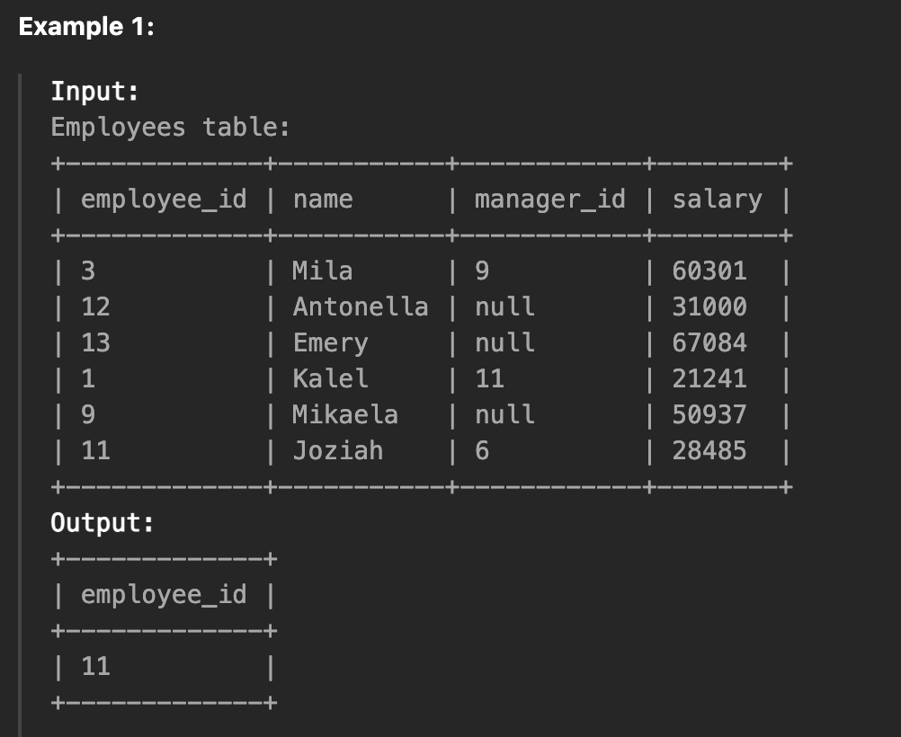
https://leetcode.com/problems/employees-whose-manager-left-the-company/description/?envType=study-plan-v2&envId=top-sql-50

Find the IDs of the employees whose salary is strictly less than $30000 and whose manager left the company. When a manager leaves the company, their information is deleted from the Employees table, but the reports still have their manager_id set to the manager that left.

Return the result table ordered by employee_id.

The result format is in the following example.

